Architecture
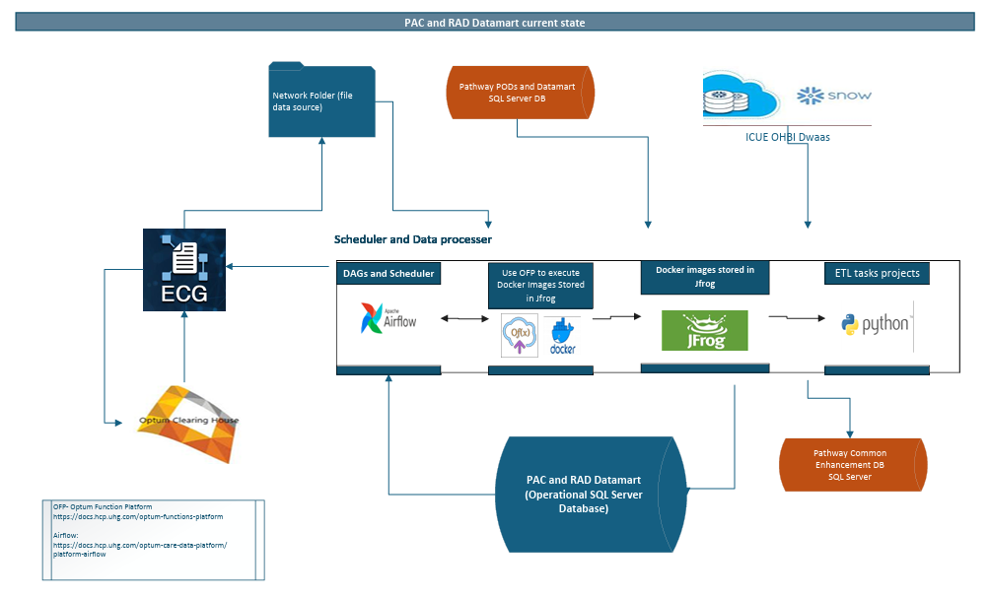

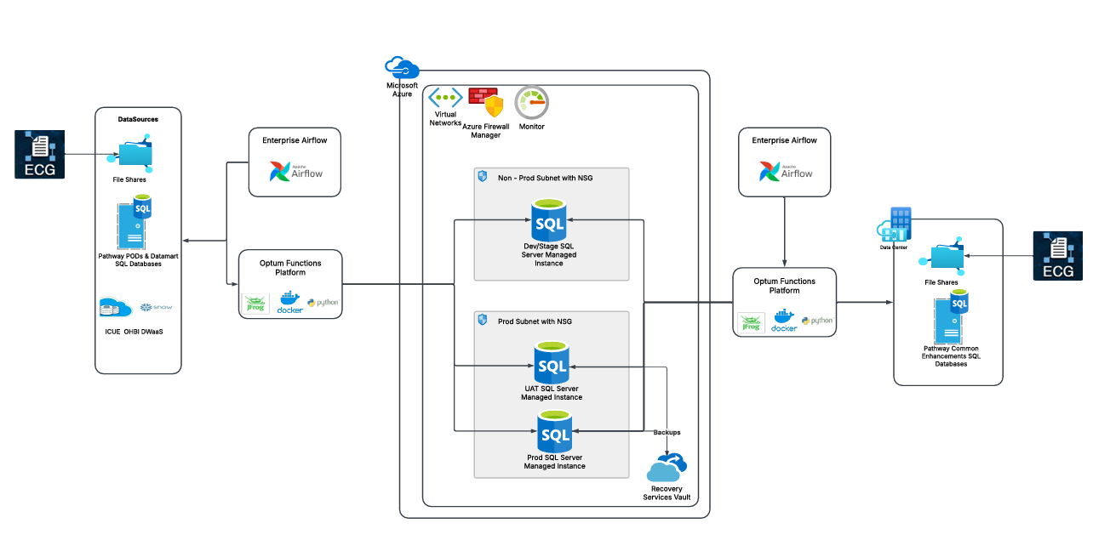

 |  |  | Target Architecture
 |  | Current State Architecture

Activity | Activity Description
1 | Target State - Design & Architecture (Azure Cloud)
2 | IAC Development and Execution for various environments
3 | BC/DR, Backup & NFR
4 | Security & Network Connectivity
5 | Performance & Fine Tuning
6 | Required Testing
7 | Go-Live
8 | Decommissioning

